Foglio1
PHOTO | BRAND | COD | SKU | MPN | SIZE | Q.TA' | UNIT RETAIL | UNIT WHLS | GENDER | DESCRIPTION | COLOR | MATERIAL
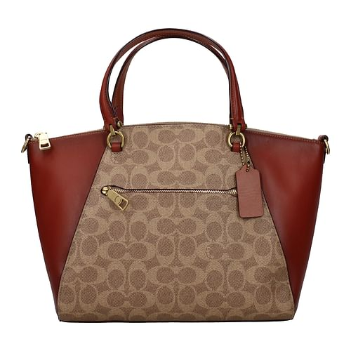 | Coach | F53651 | 246296 | 31666B4NQ4 |  | 1 | 350.00 € | 130.11 € | Woman | Handbags | Beige | Fabric
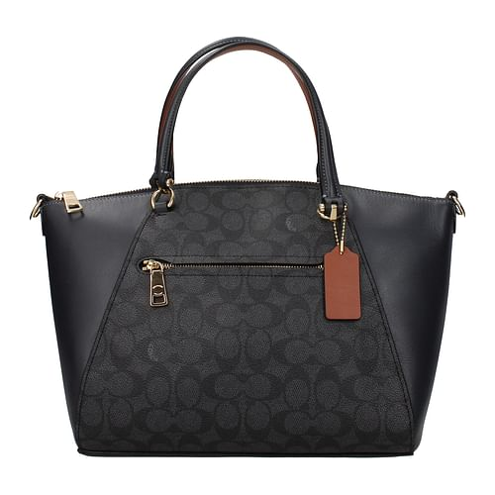 | Coach | F53650 | 246295 | 31666LIO3N |  | 1 | 350.00 € | 130.11 € | Woman | Handbags | Blue | Leather
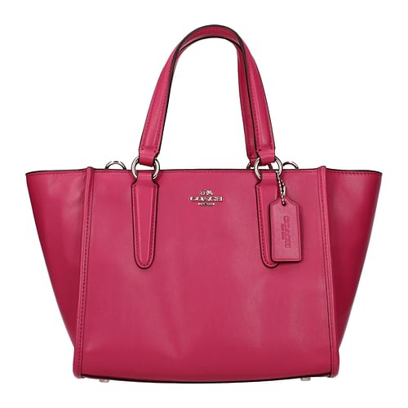 | Coach | F54954 | 249964 | 33537SVDUL |  | 1 | 325.00 € | 120.82 € | Woman | Handbags | Fuxia | Leather
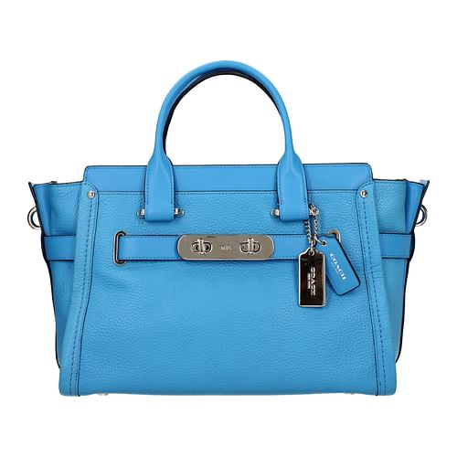 | Coach | F49279 | 234931 | 34408SVAZ |  | 2 | 565.00 € | 210.04 € | Woman | Handbags | Heavenly | Leather
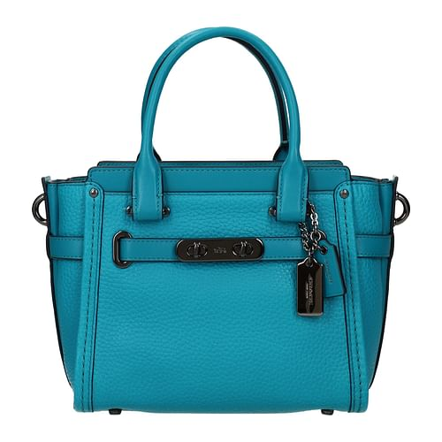 | Coach | F54965 | 249979 | 37444DKTUR |  | 2 | 395.00 € | 146.84 € | Woman | Handbags | Blue | Leather
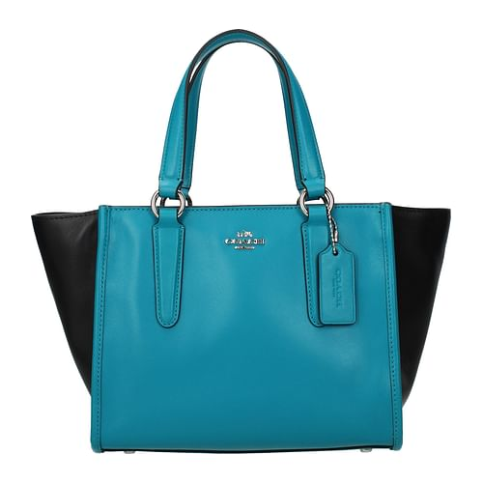 | Coach | F54957 | 249968 | 38291SVFCV |  | 2 | 325.00 € | 120.82 € | Woman | Handbags | Heavenly | Leather
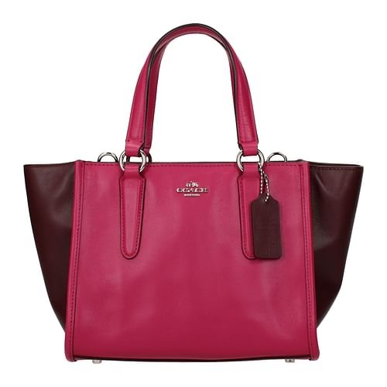 | Coach | F54957 | 249967 | 38291SVFCW |  | 1 | 325.00 € | 120.82 € | Woman | Handbags | Fuxia | Leather
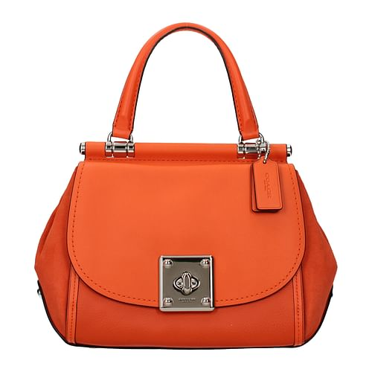 | Coach | F54953 | 249963 | 38388SVCO |  | 2 | 595.00 € | 221.19 € | Woman | Handbags | Orange | Leather
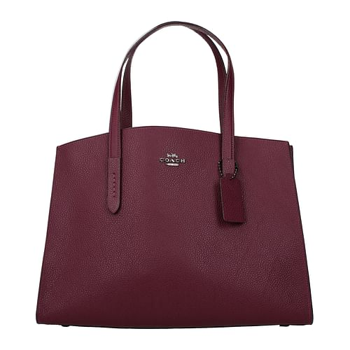 | Coach | F53641 | 246286 | 38616GMNV2 |  | 1 | 395.00 € | 146.84 € | Woman | Handbags | Violet | Leather
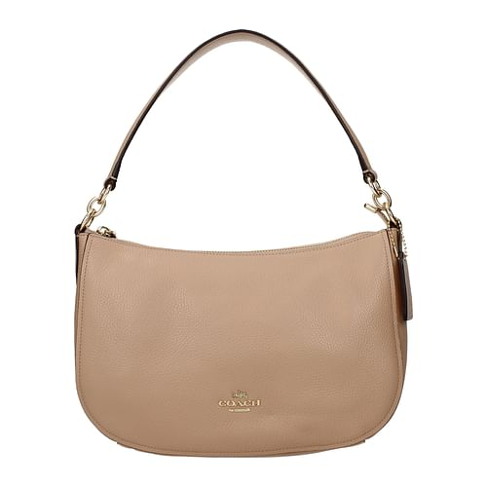 | Coach | F54964 | 249978 | 56819LIEQO |  | 4 | 275.00 € | 102.23 € | Woman | Handbags | Beige | Leather
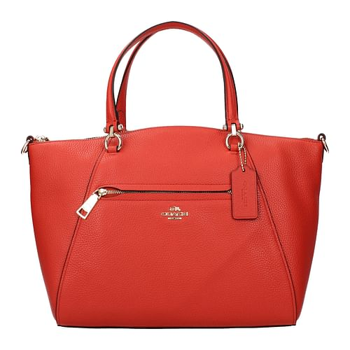 | Coach | F31121 | 249953 | 58874LILJX |  | 1 | 350.00 € | 130.11 € | Woman | Handbags | Orange | Leather
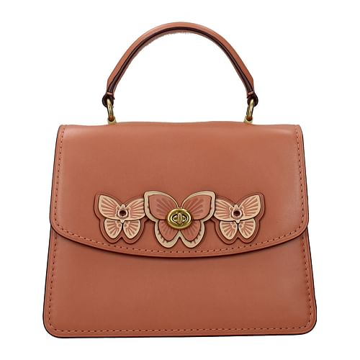 | Coach | F53637 | 246282 | 69606B4E7S |  | 1 | 450.00 € | 167.29 € | Woman | Handbags | Pink | Leather
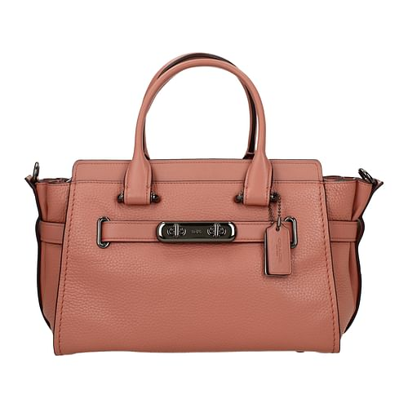 | Coach | F49277 | 234929 | 87295DARKMELON |  | 33 | 550.00 € | 204.46 € | Woman | Handbags | Pink | Leather
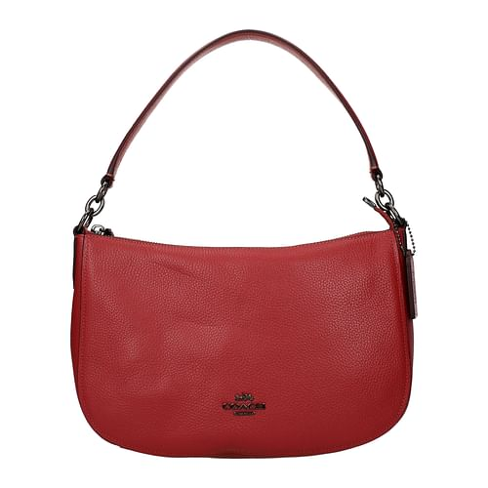 | Coach | F54961 | 249974 | 56819DKN4N |  | 4 | 275.00 € | 102.23 € | Woman | Shoulder bags | Red | Leather
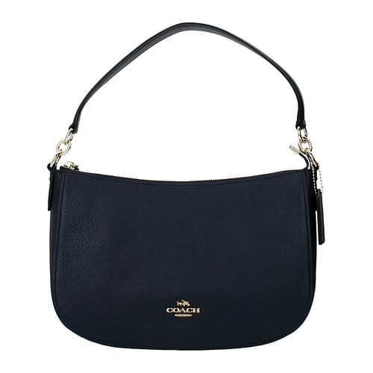 | Coach | 24383 | 155329 | 56819LINAV |  | 7 | 275.00 € | 102.23 € | Woman | Shoulder bags | Blue | Leather
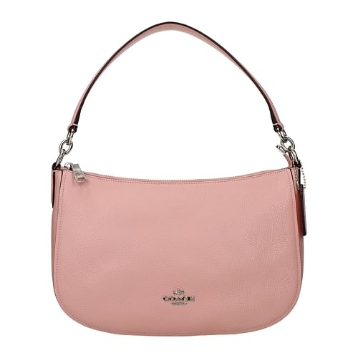 | Coach | F54952 | 249960 | 56819SVPY |  | 4 | 275.00 € | 102.23 € | Woman | Shoulder bags | Pink | Leather
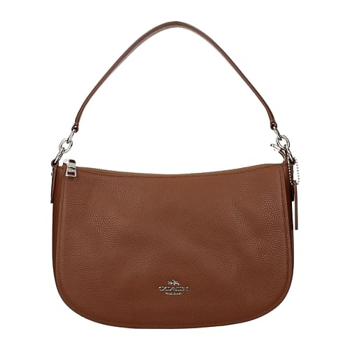 | Coach | F54952 | 249961 | 56819SVSD |  | 2 | 275.00 € | 102.23 € | Woman | Shoulder bags | Brown | Leather
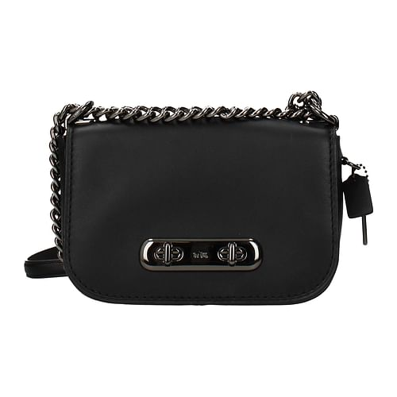 | Coach | F53646 | 246291 | 18858DKC1A |  | 1 | 375.00 € | 139.41 € | Woman | Crossbody Bag | Black | Leather
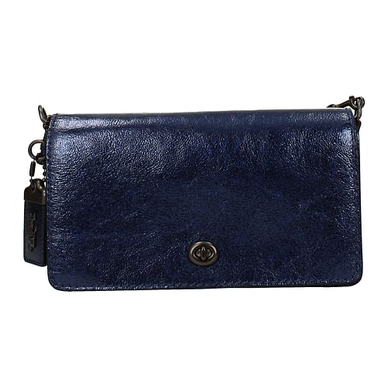 | Coach | F53633 | 246276 | 35521V5BL9 |  | 2 | 350.00 € | 130.11 € | Woman | Crossbody Bag | Blue | Leather
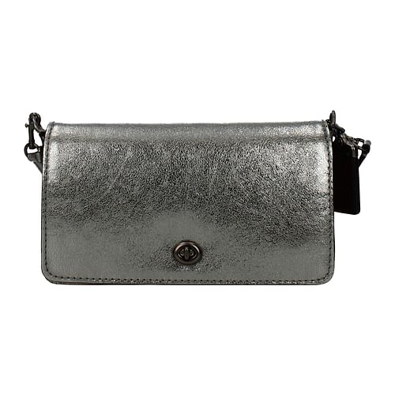 | Coach | F53633 | 246277 | 35521V5M4Z |  | 1 | 350.00 € | 130.11 € | Woman | Crossbody Bag | Gray | Leather
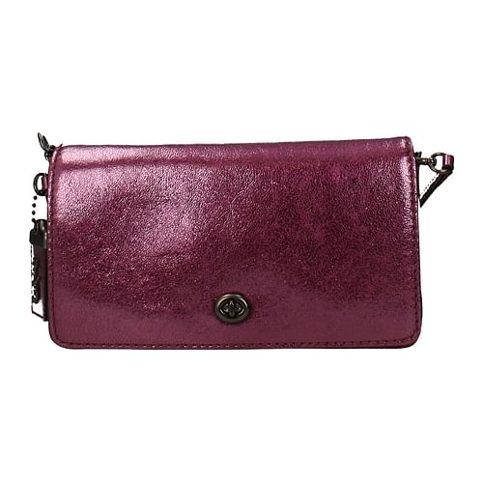 | Coach | F53633 | 246278 | 35521V5O59 |  | 2 | 350.00 € | 130.11 € | Woman | Crossbody Bag | Violet | Leather
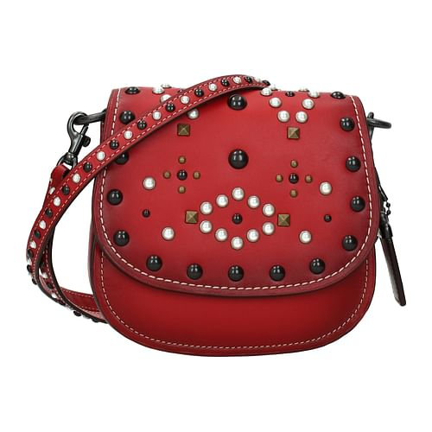 | Coach | F54967 | 249981 | 56564BPF8Q |  | 2 | 550.00 € | 204.46 € | Woman | Crossbody Bag | Red | Leather
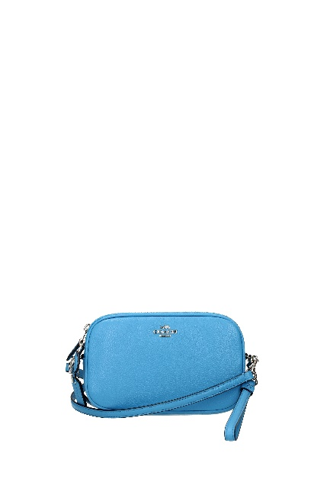 | Coach | F54968 | 249983 | 65547SVAZ |  | 1 | 195.00 € | 72.49 € | Woman | Crossbody Bag | Heavenly | Leather
 | Coach | F54968 | 249982 | 65547SVMR |  | 2 | 195.00 € | 72.49 € | Woman | Crossbody Bag | Green | Leather
 | Coach | F54968 | 249984 | 65547SVOD |  | 19 | 195.00 € | 72.49 € | Woman | Crossbody Bag | Violet | Leather
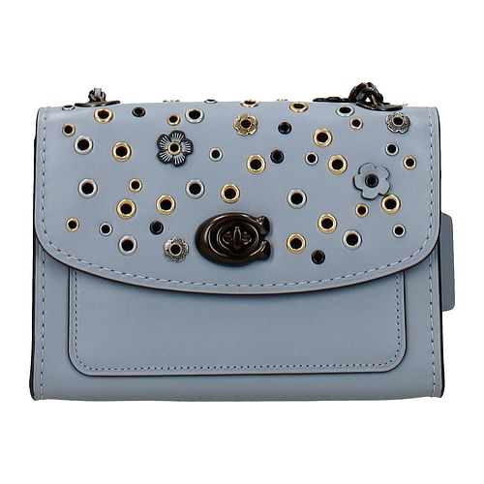 | Coach | F53649 | 246294 | 69508V5M55 |  | 1 | 350.00 € | 130.11 € | Woman | Crossbody Bag | Heavenly | Leather
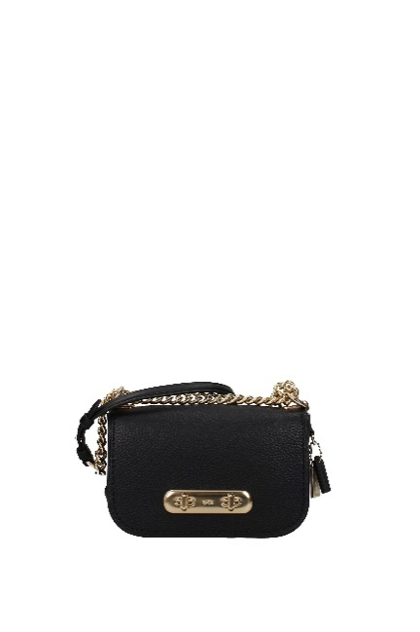 | Coach | F54976 | 249993 | 87321LIBLK |  | 13 | 350.00 € | 130.11 € | Woman | Crossbody Bag | Black | Leather
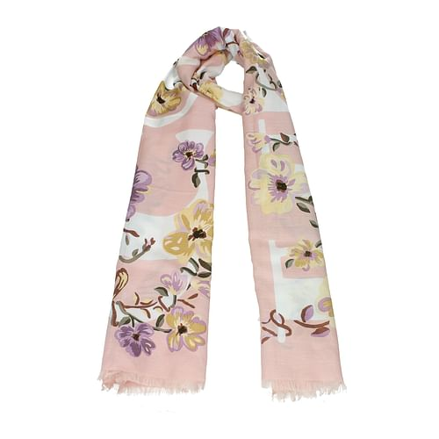 | Coach | F53660 | 246311 | 73214EZM |  | 1 | 150.00 € | 55.76 € | Woman | Foulard | Pink | Cotton
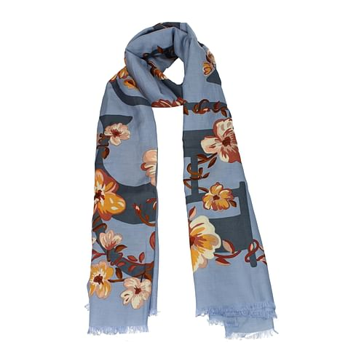 | Coach | F53660 | 246312 | 73214MIS |  | 2 | 150.00 € | 55.76 € | Woman | Foulard | Heavenly | Cotton
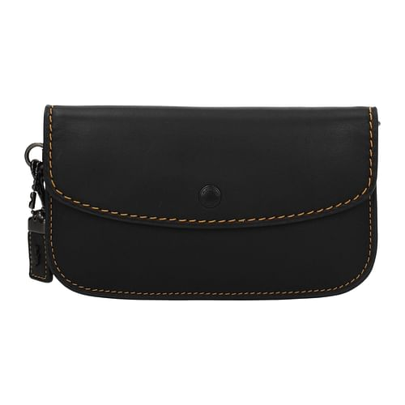 | Coach | F49190 | 234823 | 58818BPBLK |  | 5 | 225.00 € | 83.64 € | Woman | Pochette | Black | Leather
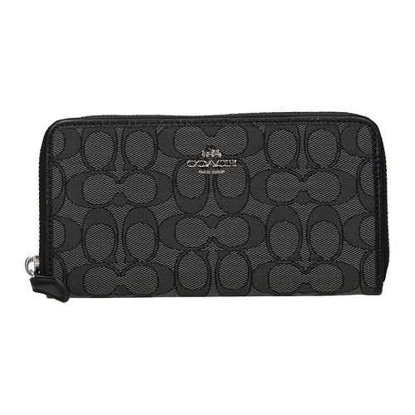 | Coach | F53648 | 246293 | 58058SVDK6 |  | 2 | 225.00 € | 83.64 € | Woman | Wallets | Gray | Fabric
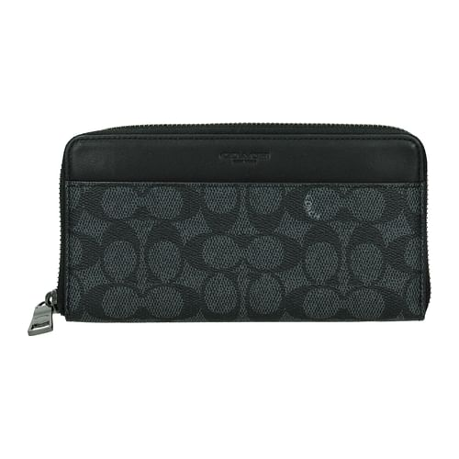 | Coach | F51824 | 241531 | 58426CHR |  | 16 | 275.00 € | 102.23 € | Woman | Wallets | Blue | Fabric
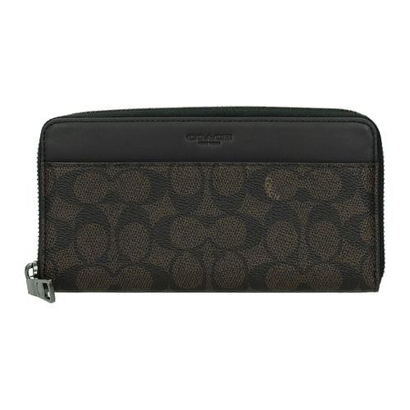 | Coach | F51824 | 241532 | 58426MAH |  | 16 | 275.00 € | 102.23 € | Woman | Wallets | Brown | Fabric
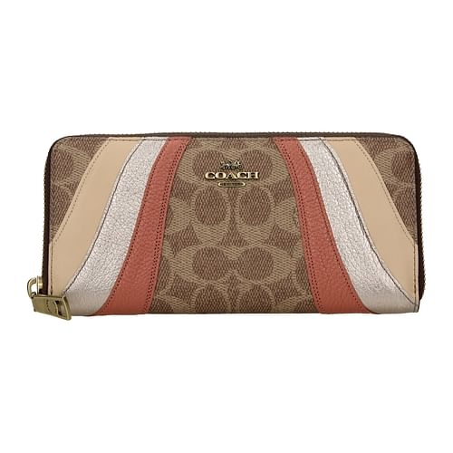 | Coach | F53655 | 246300 | 72416B4TA |  | 3 | 195.00 € | 72.49 € | Woman | Wallets | Beige | Fabric
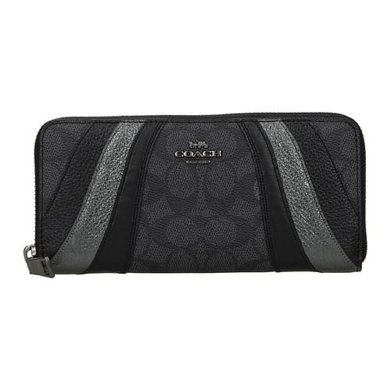 | Coach | F53654 | 246299 | 72416V5OQR |  | 3 | 195.00 € | 72.49 € | Woman | Wallets | Gray | Fabric
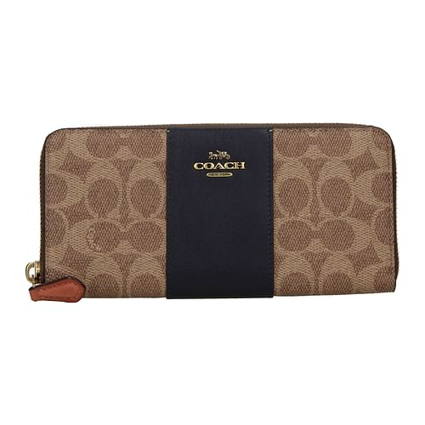 | Coach | F53653 | 246298 | 73739B4ORJ |  | 2 | 150.00 € | 55.76 € | Woman | Wallets | Beige | Fabric
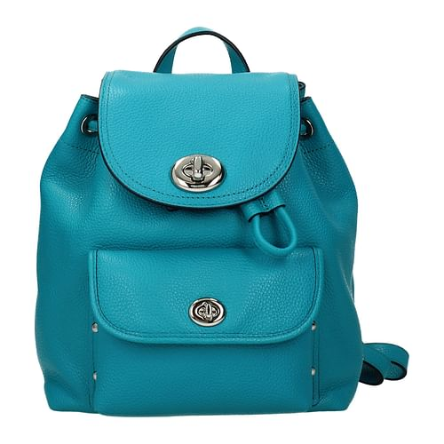 | Coach | F54958 | 249971 | 37581SVTU |  | 1 | 350.00 € | 130.11 € | Woman | Backpacks and bumbags | Heavenly | Leather
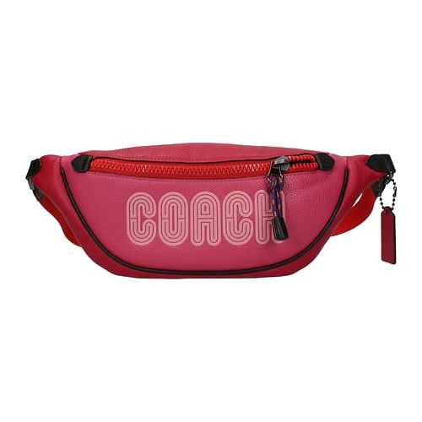 | Coach | F53639 | 246284 | 69525GMOQZ |  | 3 | 295.00 € | 109.67 € | Woman | Backpacks and bumbags | Fuxia | Leather
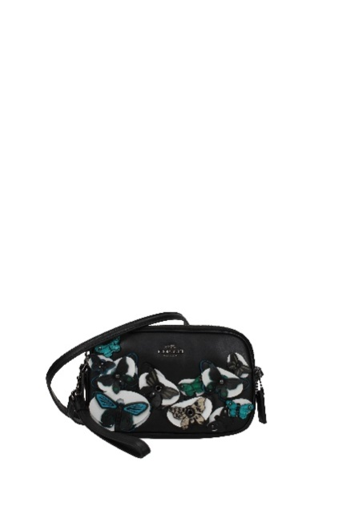 | Coach | F54973 | 249990 | 53957DKBLC |  | 1 | 295.00 € | 109.67 € | Woman | Crossbody Bag | Black | Leather
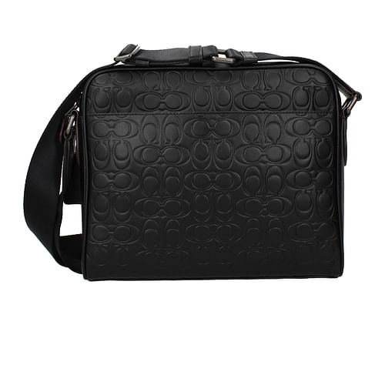 | Coach | F53629 | 246272 | 32220QBBK |  | 2 | 395.00 € | 146.84 € | Man | Crossbody Bag | Black | Leather
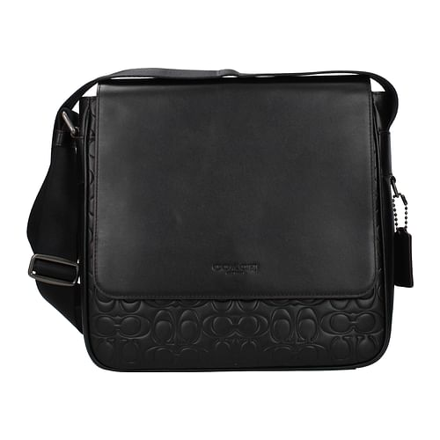 | Coach | F53631 | 246274 | 32223QBBK |  | 3 | 475.00 € | 176.58 € | Man | Crossbody Bag | Black | Leather
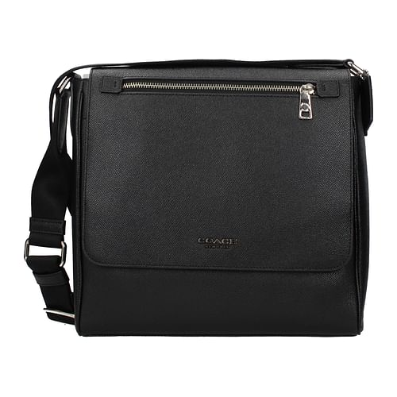 | Coach | F53634 | 246279 | 55547SVBK |  | 1 | 395.00 € | 146.84 € | Man | Crossbody Bag | Black | Leather
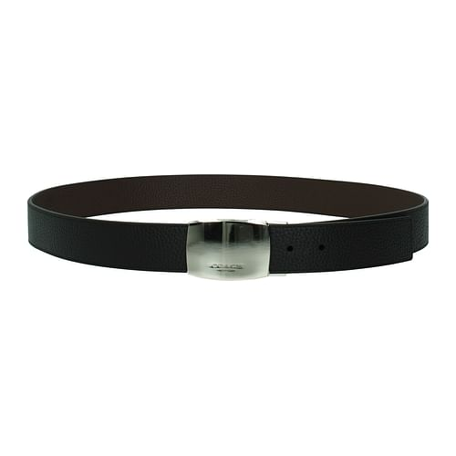 | Coach | F51831 | 241542 | 55229BKMA | 44 | 6 | 275.00 € | 102.23 € | Man | Belts | Black | Leather
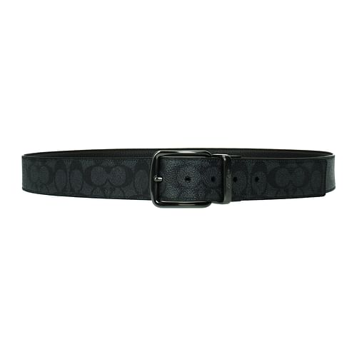 | Coach | F53740 | 246535 | 64077BLACK | 42 | 2 | 195.00 € | 72.49 € | Man | Belts | Gray | Fabric
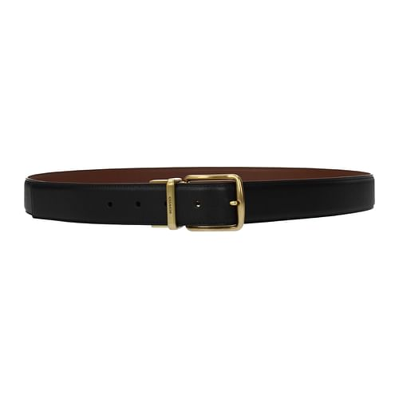 | Coach | F53741 | 246536 | 69988BKSD | 42 | 3 | 225.00 € | 83.64 € | Man | Belts | Black | Leather
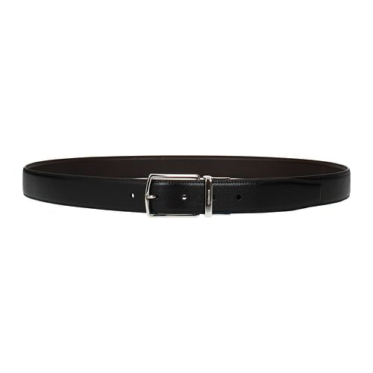 | Coach | F53742 | 246537 | 64889AQ0 | 42 | 7 | 225.00 € | 83.64 € | Man | Belts | Black | Leather
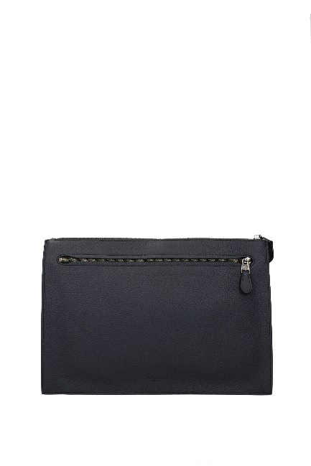 | Coach | F54977 | 249994 | 11039QBBHP |  | 2 | 395.00 € | 146.84 € | Man | Pochette | Blue | Leather
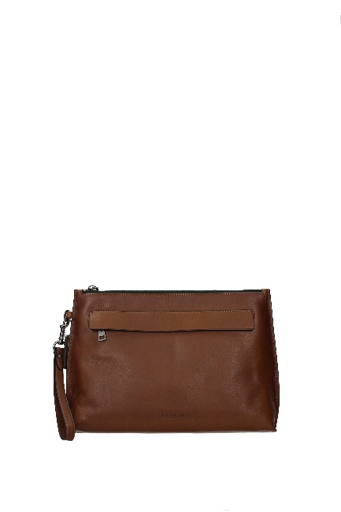 | Coach | F54974 | 249991 | 11930CWCWH |  | 10 | 350.00 € | 130.11 € | Man | Pochette | Brown | Leather
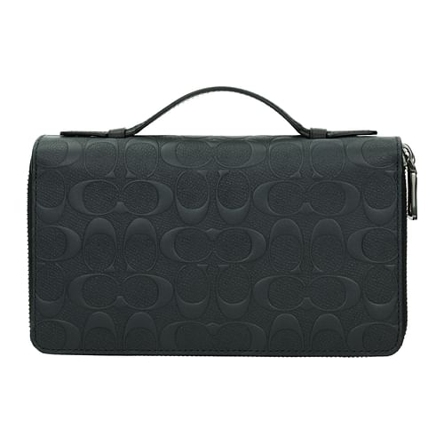 | Coach | F51822 | 241529 | 25686MID |  | 16 | 375.00 € | 139.41 € | Man | Wallets | Blue | Leather
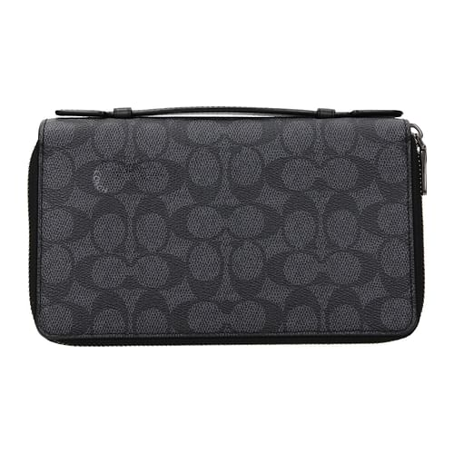 | Coach | F53657 | 246302 | 66857CHR |  | 1 | 350.00 € | 130.11 € | Man | Wallets | Gray | Fabric
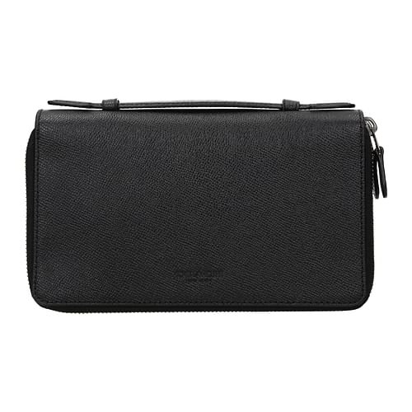 | Coach | F53656 | 246301 | 66858BLK |  | 2 | 375.00 € | 139.41 € | Man | Wallets | Black | Leather
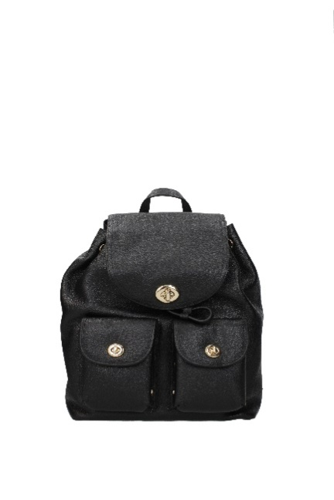 | Coach | F54978 | 249995 | 37582LIBLK |  | 12 | 450.00 € | 167.29 € | Woman | Backpacks and bumbags | Black | Leather
 | Coach | F54979 | 249996 | 22952LINAV |  | 4 | 75.00 € | 27.88 € | Woman | Coin Purses | Blue | Leather
 | Coach | F54980 | 249997 | 52331SVTU |  | 3 | 145.00 € | 53.90 € | Woman | Wallets | Heavenly | Leather
 | Coach | F51822 | 249998 | 25686BLK |  | 5 | 375.00 € | 139.41 € | Woman | Wallets | Black | Leather
 | Coach | F54981 | 249999 | 53602SVDKQ |  | 15 | 185.00 € | 68.77 € | Woman | Wallets | Beige | Fabric
 | Coach | F54982 | 250000 | 25607BLK |  | 2 | 275.00 € | 102.23 € | Man | Wallets | Black | Leather
 | Coach | F54983 | 250001 | 57768LINAV |  | 1 | 75.00 € | 27.88 € | Woman | Coin Purses | Blue | Leather
 | Coach | F54984 | 250002 | 52327SVTU |  | 5 | 195.00 € | 72.49 € | Woman | Wallets | Heavenly | Leather
 | Coach | F54985 | 250003 | 58059LIBLK |  | 24 | 195.00 € | 72.49 € | Woman | Wallets | Black | Leather
 | Coach | F54985 | 250004 | 58059LINAV |  | 10 | 195.00 € | 72.49 € | Woman | Wallets | Blue | Leather
 | Coach | F54986 | 250005 | 27260BKNBA |  | 15 | 60.00 € | 22.30 € | Woman | Key rings | Pink | Leather
 | Coach | F54986 | 250006 | 27260BKSNF |  | 15 | 60.00 € | 22.30 € | Woman | Key rings | Yellow | Leather
 | Coach | F54987 | 250007 | 64077CQBK | 42 | 10 | 195.00 € | 72.49 € | Man | Regular belts | Gray | Fabric
 |  |  |  |  |  | 344

